Sheet1
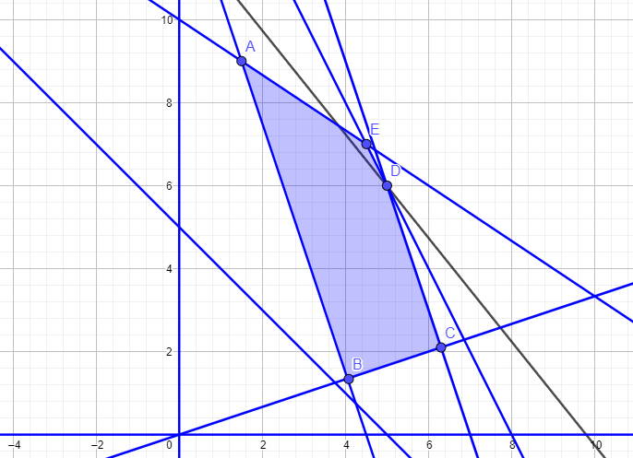
ERABAKI-ALDAGAIAK | x1 | x2 | HELBURU-FUNTZIOA
KOSTUAK | 5000 | 4000 | 49000
ALDAGAIEN BALIOAK | 5 | 6
Grafikoan ikusi ahal den bezala, puntu optimoa E(4.5,7) da eta helburu funtzioaren balio optimoa Z = 50500.
Aldagaien balioak biribiltzen baditugu, balio optimoa aldatuko da.
Kasu honetan puntu optimoa D(5,6) izango litzateke eta honen helburu funtzioa Z = 49000 da.
MURRIZKETAK | MATRIZEA |  | GUZTIRA |  | GAI-ASKEA
 | 10 | 15 | 140 | <= | 150
 | 20 | 10 | 160 | <= | 160
 | 30 | 10 | 210 | <= | 210
 | 30 | 10 | 210 | >= | 135
 | 1 | -3 | -13 | <= | 0
 | 1 | 1 | 11 | >= | 5

ADIERAZPEN-GRAFIKOA

